Sheet1
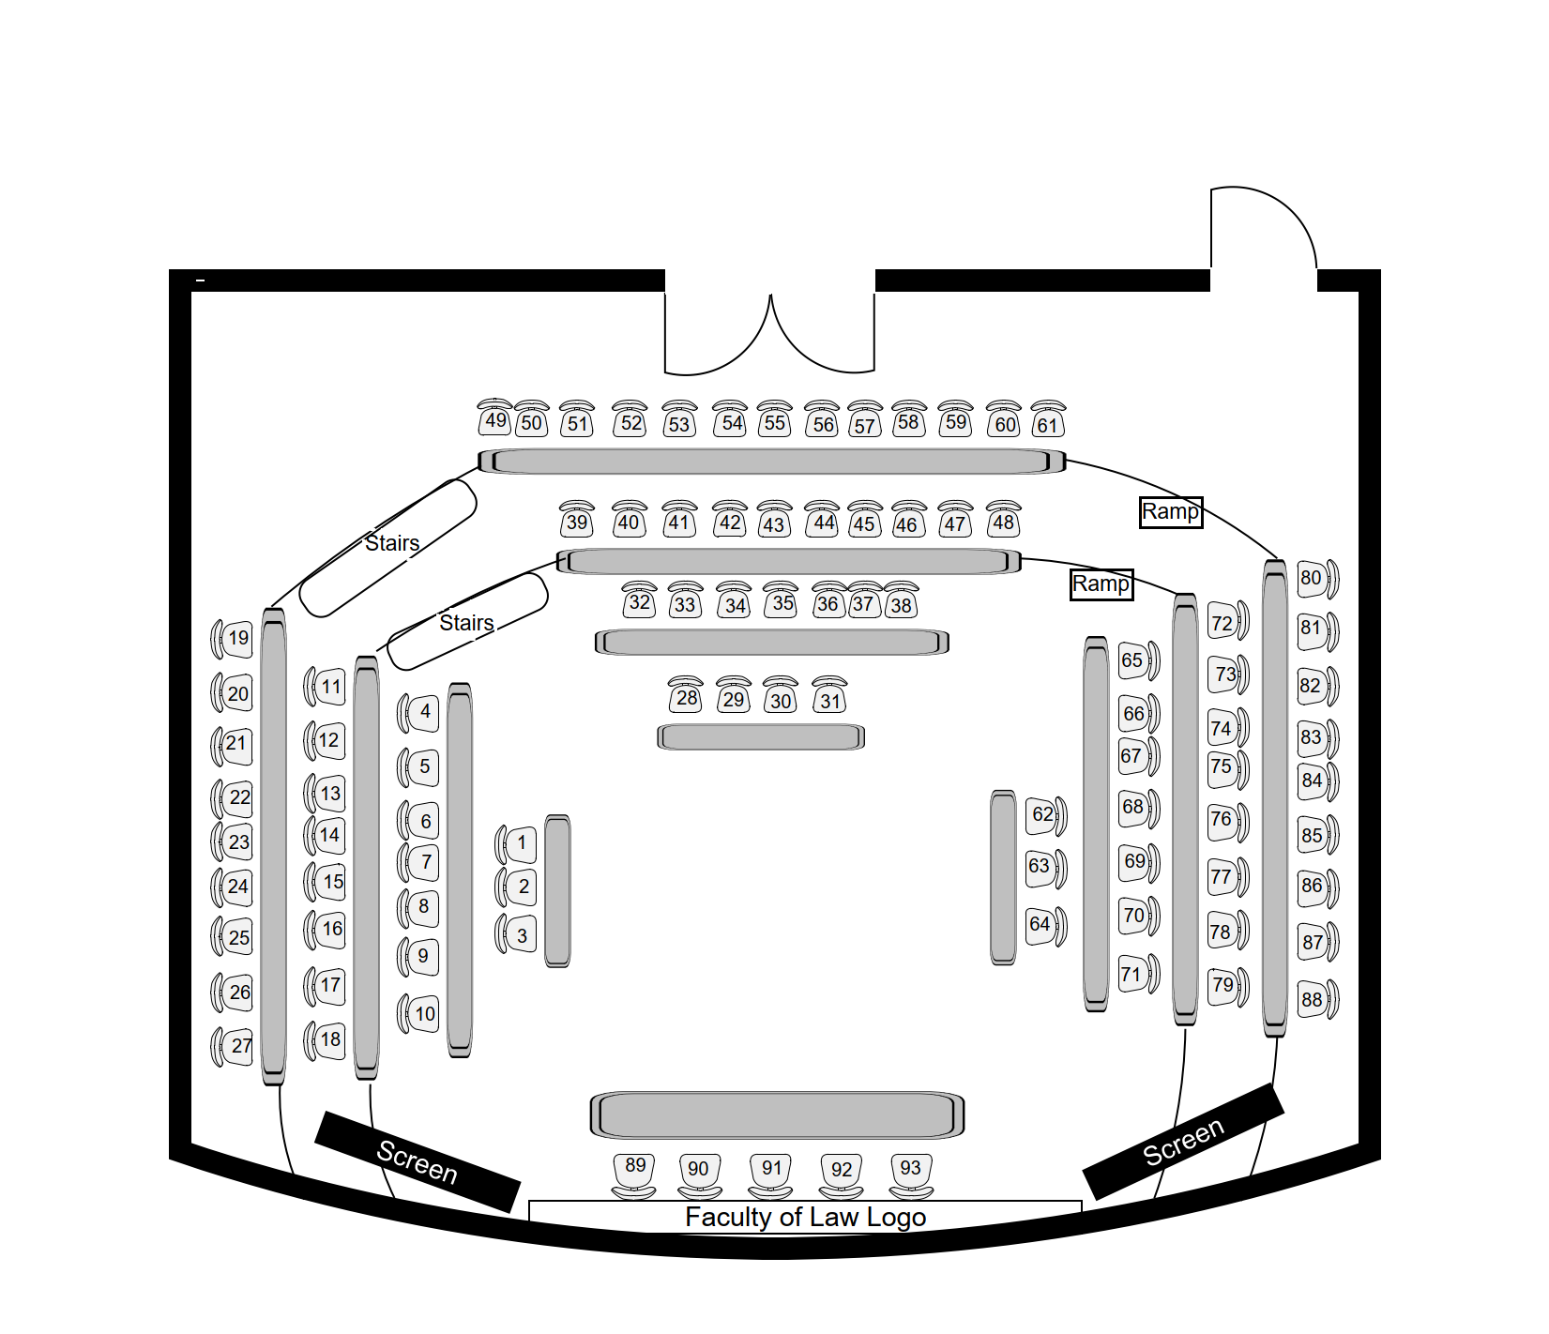
International Symposium: Medically Assisted Dying: Global Trends and Asian Perspectives
S= Serene (seat no. 28)
J = Jane (at reception desk)
Y= Yan (seat no. 79? 88?)
SI = Dr Sanwar Siraj (seat no. 10)
EI = Prof Eric C. Ip (seat no. 29/30/31)
GL = Prof Gilberto Leung (seat no. 29/30/31)
CarlH = Prof Carl Hildebrand (seat no. 29/30/31)
ACR = Academic Conference Room, 11/F, Cheng Yu Tung Tower, Centennial Campus, HKU
Keep the doors locked
https://cmel.hku.hk/events/international-symposium-on-medically-assisted-dying-global-trends-and-asian-perspectives/
Duties of Serene, Jane and (helper) Yan
No. | Duty | Who? | Materials needed
1 | a. Sharing of Y's phone no. and email address with S? b. Sharing Zoom link with Y c. Inform Y of the location of the slides and recordings | J
2 | Meet speaker at 8:00 am on 1/F of Hotel Jen and walk with them to MTR Exit B2 and then through the station to MTR Exit C2 to ACR and Whatsapp J about the siutation | Y | 1. List of non-local speakers 2. Programme booklet, which contains photos 3. a card to be held at the Hotel? | Emergency plan: S will take care of the venue and J will go to the hotel too
3 | IT set up (including the display of the background slide) and show the speakers how to use the equipment before the session | S | uploaded to the desktop: 1. MP4 of Prof Chen's video
4 | Put up a poster and seating plan and programme on the wall at the entrance |  | 1. poster 2. seating plan x2 3. programme x 2 4. glu-tack/ dispensary tape
5 | Stick a paper "no." notice for each seat | Y/J | 1. number notice from 1 to [x] 2. dispensary tape
6 | at the beginning, ensure that the event is being recorded | S
7 | ensure that the event is being recorded on Zoom and that slides and video recordings are shown properly for Zoom participants throughout the event | S | 1. laptop 2. earphones
8 | watch the symposium on phone as a member of the audience to ensure that slides and video recordings are shown properly for Zoom participants throughout the event
9 | ensure that both onsite camcorders are on by watching on Zoom | S
10 | Put room temp water and snacks on the table at the outset | S/J | 1. Paper notice for water?
11 | Signing in and giving lanyards and onsite registration | J | 1. sign-in sheet for registrants; 2. sign-in sheet for law RPg students; 3. registration form for onsite participants 4. lanyards (orange for speakers; green for participants including Julie Chen and WYNG representatives; black for temp registrants; red for suppor team) 5. laptop for checkinng emails and watching on Zoom 6. programme booklet to be provided if needed
12 | Show the participant location of his/her seat (if not busy) | J & (after arrival at venue) Y | 1. seating plan
13 | Refill Water for water jugs on head table during break and forfor water jugs on tables in the lobby during break |  | 1. access to pantry on 9/F (water dispenser inside pandry)
14 | Time keeper | S | 1. "1 minute left" card and "Time is u"p card
15 | Change slides | S/Y | uploaded to the desktop: 1. slides;
16 | Play video recording and click maximise quality | S/Y | uploaded to the desktop: 1. MP4 of Prof Chen's video
17 | Change name stands at the head table (seat nos. 89-93) | S/Y | Name stands for all speakers and chairs and Julie Chen
18 | In the morning break, (a) pick up 2 boxes of salad wraps and 2 pots of Coffee and 1 pot of tea at Alfafa and put them on the table (*two queues for food and drinks) and (b) put cutlery and tissue on table | Y | 1. receipts 2. paper notices each showing description of the food or drink
19 | In the afternoon break, (b) pick up 2 boxes of fruit tarts and 2 pots of Coffee and 1 pot of tea at Alfafa and put them on the table (*two queues for food and drinks) and (b) put cutlery and tissue on table | J | 1. receipts 2. paper notices each showing description of the food or drink
20 | hold a "?" card, accompany speakers to Bijas, the restaurant for lunch (1:40 pm) | S | 1. "?" card
21 | Be at Bijas at 1:40 pm to accompany the speakers back to ACR | S
22 | hold a "?" card, accompany speakers to SCR, the restaurant for dinner | S | 1. "?" card
23 | stay in ACR if any equipment is left there and in case anyone leaves any belonging behind? Main entrance of ACR will not be locked | J/Y | 1. takeaway lunch
24 | Collect lanyards used | J | Box for collection of lanyards
25 | Be the MC, in particular, invite each chair to present a set of metal bookmarks to each speaker at thend of session 1, 2 and 3 and after presentation of Dr Siraj | SI
26 | Give souvenir to chair for presentation to each of the eleven speakers | Y | 1. 11 sets of metal bookmarks plus one spare set?
27 | Taking 1 photo for presentation of each souvenir and group photos for each session and for the whole conference and taking photos throughout the symposium | S | 1. phone for taking photos
28 | Ensure that the two glass doors and (after ensuring that no one is in the washroom) the wood door are locked | J

Materials needed
No.

